Mini Case
 |  |  |  |  |  |  | 2022-09-19 20:51:58
 |  |  |  |  |  |  | 1514
Chapter 4 (Time Value of Money). Mini Case Solutions
Situation
Assume that you are nearing graduation and have applied for a job with a local bank. As part of the bank's evaluation process, you have been asked to take an examination that covers several financial analysis techniques. The first section of the test addresses discounted cash flow analysis. See how you would do by answering the following questions.

a. Draw time lines for (1) a $100 lump sum cash flow at the end of Year 2, (2) an ordinary annuity of $100 per year for 3 years, and (3) an uneven cash flow stream of -$50, $100, $75, and $50 at the end of Years 0 through 3.

FUTURE VALUE
$100 lump sum at the end of year 2.
 | I%
Time period | 0 | 1 | 2
FV at year end |  |  | 100

Ordinary annuity of $100 per year for three years.
 | I%
Time period | 0 | 1 | 2
FV at year end | 100 | 100 | 100

Uneven cash flow stream.
 | I%
Time period | 0 | 1 | 2 | 3
FV at year end | -50 | 100 | 75 | 50

b. (1.) What's the future value of an initial $100 after 3 years if it is invested in an account paying 10% annual interest?

Interest rate | 0.1 | These are the basic inputs, in blue.
Cash flow | 100

Time period | 0 | 1 | 2 | 3
FV at year end | 100 | 110.00 | 121 | 133.10

Note: This problem was solved using the formula, FVn = PV (1+I)N. However, there are a number of ways the problem could have used Excel's "Wizard Function".

First, you must select the Function wizard icon found in the toolbar at the top of the screen, which looks like this: fx. When you get the "Insert Function " dialog box, select the category for Financial Functions, as shown below.

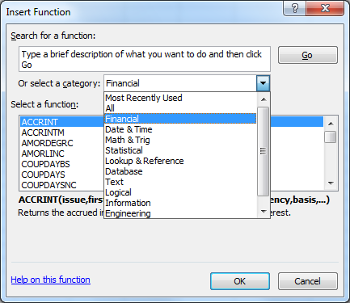

After selecting the category for Financial functions, scroll down until you can selet the FV function, as show below. Alternatively, select the menu Formulas, then then select Financial, then pick FV.

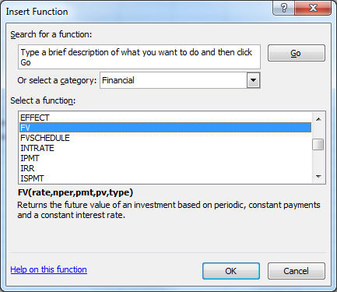

After selecting the "FV" function from the "Financial" category, we will be using the following dialog box to input our data.
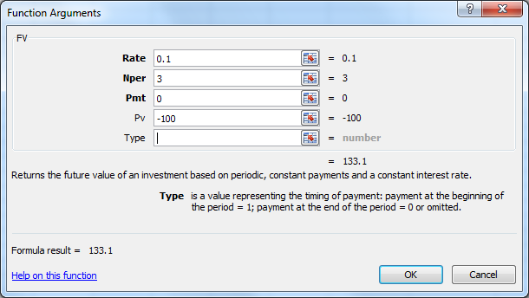

Notice that we entered a value instead of a cell reference as the input for the problem for instructional purposes. It's really better to enter cell values so that your spreadsheet can automatically reflect any changes to the input data. This is one of the features that makes the spreadsheet such a valuable tool.

Using the function wizard yields the following result:
 | FV = | $133.10

Future Value Interest Factors

With a spreadsheet, calculating FVIF's is a simple operation, and we can use it to graph the relationship between future value, growth, interest rates, and time. A similar table can be found in the textbook, along with a corresponding graph.

Period (N) | 0% | 5% | 10% | 15%
0 | 1.0000 | 1.0000 | 1.0000 | 1.0000
2 | 1.0000 | 1.1025 | 1.2100 | 1.3225
4 | 1.0000 | 1.2155 | 1.4641 | 1.7490
6 | 1.0000 | 1.3401 | 1.7716 | 2.3131
8 | 1.0000 | 1.4775 | 2.1436 | 3.0590
10 | 1.0000 | 1.6289 | 2.5937 | 4.0456

Relationships among Future Value, Growth, Interest Rates, and Time

Relationships among Future Value, Growth, Interest Rate, and Time

b. (2) What is the present value of $100 to be received in 3 years if the appropriate interest rate is 10%?

PRESENT VALUE (PV)

Simply put, the present value (PV) is the value today of some future cash flow (or series of cash flows). The interest rate used to "discount" a given cash flow is the opportunity cost rate, and is equivalent to the next best investment alternative of the same risk.

PROBLEM

Interest rate | 10%
Cash flow | 100
 | Number of Years Discounted Back
Time period | 0 | 1 | 2 | 3
PV | $75.13 | 82.64 | 90.91 | 100.00

This problem can also be solved using the function wizard using a procedure similar to that for the FV function. Begin by putting the pointer on the cell in which you want to display the result. Then, after selecting the "PV" function from the "Paste Function" box, the input data for the problem must be entered. Then click OK to get the result, $75.13.

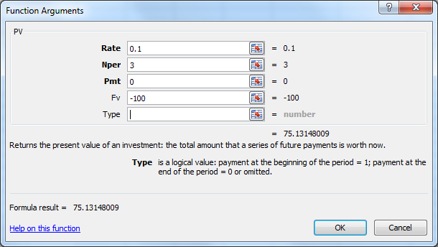

 | PV = | $75.13

c. We sometimes need to find how long it will take a sum of money (or anything else) to grow to some specified amount. For example, if a company's sales are growing at a rate of 20% per year, how long will it take sales to double?

Finding Time to Double

I = | 0.2

Time period | 0 | 1 | 2 | ?
Present Value | $1.00 |  |  | 2.00

Finding N, the number of periods |  | 3.8 | Use the function NPER, as shown below.

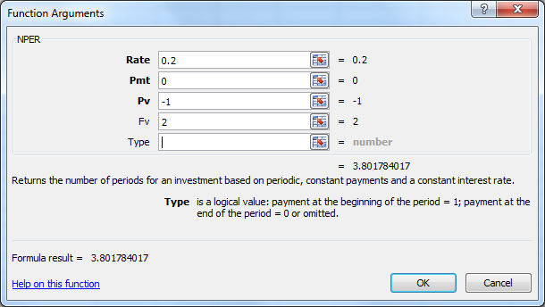

SOLVING FOR I
PROBLEM
d. If you want an investment to double in three years, what interest rate must it earn?

N | 3
PV | -1
FV | 2

Once again, Excel has a special function for this calculation. We suggest using either a financial calculator or the function wizard to solve this type of problem, because of its complexity. The procedure can be carried out using the function wizard, by selecting the "Rate" function from the list of financial functions in the "Paste Function" dialog box. Upon entering the time, present value, and future value, the interest rate can be found. Note that you can either type the data in or else activate the menu slot and then click on the appropriate cell.

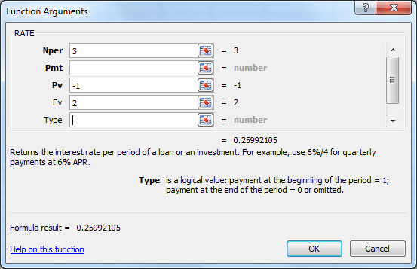

 | I = | 25.99%

We noted above the difficulty of solving this problem mathematically. This is because it involves taking the Nth root of a value (an operation which generally requires either a calculator or a computer). However, if you would like to know how to solve the problem mathematically, the formula is (FVn/PV)(1/N) - 1, which is derived from the FV formula.

N | 3
PV | 1 |  | I = | 25.99%
FV | 2

e. What is the difference between an ordinary annuity and an annuity due? What type of annuity is shown below? How would you change it to the other type of annuity? See Ch 28 Mini Case Show.ppt

f. (1.) What is the future value of a 3-year ordinary annuity of $100 if the appropriate interest rate is 10%?

FUTURE VALUE OF AN ANNUITY
As explained below, one way to solve this problem is to find the future value of each of the annuity payments. However, this is tedious, especially if a lot of years are involved. In the following example, we use the input data of the interest rate and time to calculate the future value in time period 3 of each individual cash flow. Lastly, we take the sum of all the future values, which gives us the future value of the entire annuity.

N | 3
I | 0.1
PMT | 100

Time period | 0 | 1 | 2 | 3
CFt | 0 | 100 | 100 | 100 |  | Annuity's FV:
FV3 | 0 | 121 | 110 | 100 | Σ= | $331.00

An easier procedure is to solving for the future value of an annuity with the function wizard. This procedure is similar to that of a lump sum future value. Whereas before we left the "Pmt" field blank, now we insert the annuity payment ($100 in this case). First, we access the "FV" function box from the list of financial functions. Then, we input our new data. A key thing to watch is the "Type" input box. Previously, we left this box alone. An "0" or no entry in the box indicates an ordinary annuity, and a "1" indicates an annuity due. Though we can leave the box blank, it is a good habit to enter a "0" in the field.

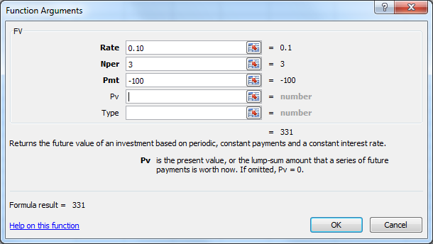

 | FV = | $331.00

PRESENT VALUE OF AN ANNUITY

f. (2.) What is the present value of the annuity?

N | 3
I | 0.1
PMT | 100

Time period | 0 | 1 | 2 | 3
CFt | 0 | 100 | 100 | 100 |  | Annuity PV
PV3 | 0 | 90.91 | 82.64 | 75.13 | = | $248.69

Or, you could use the function wizard for this ordinary annuity.


 | PV = | $248.69

f. (3.) What would the future and present values be if the annuity were an annuity due?

The procedure for solving this problems follows the previous example with one notable exception. Since, the payments occur at the beginning of each year, the first annuity payment occurs in time period 0, and the last occurs in time period 2.

N | 3
I | 0.1
PMT | 100

Time period | 0 | 1 | 2 | 3
CFt | 100 | 100 | 100 | 0 |  | Annuity FV
FV3 | 133.1 | 121 | 110 | 0 | = | $364.10

Additionally, using the function wizard for this problem is exactly like above, but we enter a "1" instead of a "0" into the "Type" field.

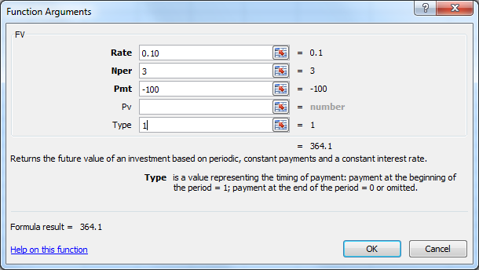

 | FV = | $364.10

To find the present value of the annuity due, this problem is solved just like the previous problem, except that the payments occur in periods 0 through 2.

N | 3
I | 0.1
PMT | 100

Time period | 0 | 1 | 2 | 3
CFt | 100 | 100 | 100 | 0 |  | Annuity PV
PV3 | 100.00 | 90.91 | 82.64 | 0.00 | = | $273.55

Using the function wizard, we follow the same procedure as above, except remember to enter a "1" to tell Excel that in this problem the payments occur at the beginning of the periods.

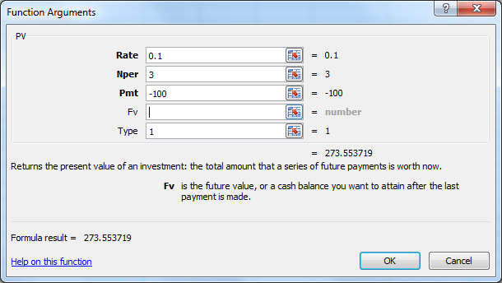

 | PV = | $273.55

g. What is the present value of the following uneven cash flow stream? The appropriate interest rate is 10%, compounded annually.
1
$100
2
$200
3
$200
4
$200
5
$200
 |  | I = | 10%
Time period
0 | 1 | 2 | 3 | 4
6
$0
0 | 100 | 300 | 300 | -50
Cash Flows
PV of Cash Flows
0 | 90.91 | 247.93 | 225.39 | -34.15

NPV = | = Σ of PVs = | $530.09

As we show above, the first way to solve for the present value of this uneven cash flow stream is to use the time line to find the present value of each of the cash flows in the periods in which they occur, then sum all the present values. This procedure will yield the correct present value.

This problem could also be set up in a column format; it is a matter of personal preference as to which format is easier to interpret and use. Once we have converted our data into a data table, we can solve for the present value of each of the cash flows (like we did previously) and add all of the present values together.

I | 0.1

N | CFN |  | PV0
0 | 0 |  | 0.00
1 | 100 |  | 90.91
2 | 300 |  | 247.93
3 | 300 |  | 225.39
4 | -50 |  | -34.15

 | PV of CF stream = |  | $530.09

With, the financial calculator, we could enter each of these cash flows and the discount rate, and simply press NPV for the present value of the cash flow stream. In Excel, we can perform a similar calculation by using the "NPV" function. While this function is very similar, there is a key distinction. In the cash flow register of your calculator, the first entry you make would be the cash flow to occur in time period zero. However, the "NPV" function interprets the first data entry as being the cash flow in time period one. Therefore, the initial cash flow must be added seperately. In this particular example, the initial cash flow is zero.

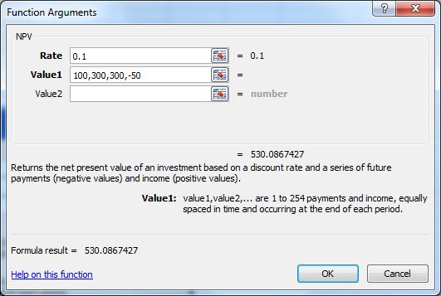
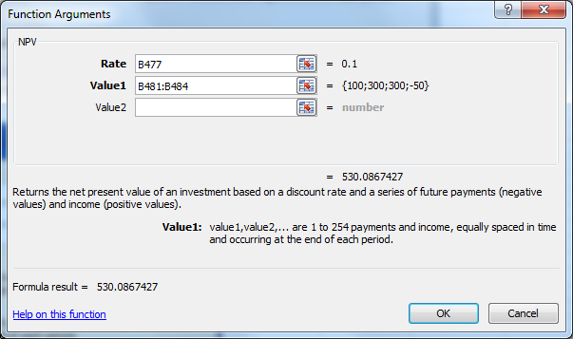
 |  |  |  |  |  | Or

 | PV = | $530.09

h. (1.) Identify (a) the stated, or quoted, or nominal rate (iNom) and (b) the periodic rate (iPER).

Inputs
INOM (quarterly) | 0.1 | This is the rate stated in contracts.
m=periods/yr | 2 | This is the number of periods per year, m.

The periodic is associated with the number of compounding periods per year. M = 4 quarterly, 12 for monthly, and 360 or 365 for annual compounding.

IPER = | inom/m

IPER = | 10% | / | 2
IPER = | 5%

h. (2.) Will the future value be larger or smaller if we compound an initial amount more often than annually, for example, every 6 months (semiannually), holding the stated interest rate constant? Why?

Larger, because interest is earned on interest.
The effective annual rate is the annual rate that causes the PV to grow to the same FV as under multiple compounding periods.

EFF% = | (1+ INOM/M)M

EFF% = | (1 | + | (10%/2))^2 | - | 1

EFF% = | 10.25%

SEMIANNUAL AND OTHER COMPOUNDING PERIODS

h. (3.) What is the future value of $100 after 5 years under 12% annual compounding?

N | 3
I | 0.12 |  | FV = | $140.49
PV | 100

What is the FV with semiannual compounding?

N (years x 2) | 6
I (I per year/2) | 0.06 |  | FV = | $141.85
PV | 100

What is the FV with quarterly compounding?

N (years x 4) | 12
I (I per year/4) | 0.03 |  | FV = | $142.58
PV | 100

What is the FV with monthly compounding?

N (years x 12) | 36
I (I per year/12) | 0.01 |  | FV = | $143.08
PV | 100

What is the FV with daily compounding?

N (years x 365) | 1095
I (I per year/12) | 0.00032876712329 |  | FV = | $143.32
PV | 100

I. Will the effective annual rate ever be equal to the nominal (quoted) rate? Only if the compounding period is equal to 1 year.

j. (1.) What would the required payment be on a $1,000 loan that is to be repaid in three equal installments at the end of each of the next three years if the interest rate is 10%?

 |  |  |  |  |  |  |  |  | SETUP FOR A 30 YEAR MORTGAGE. GRAPH BELOW. THE LONGER THE
 |  |  |  |  |  |  |  |  | MATURITY, THE SMALLER THE INITIAL PRINCIPAL PAYMENT.
N | 3 |  | PMT = | $402.11 |  | Total pmts | Tot. int. paid | Tot. prin. pd | N | 30 | PMT = | $106.08
I | 0.1 |  |  |  |  | $1,206 | $206 | $1,000 | I | 0.1
PV | 1000 |  |  |  |  |  |  |  | PV | 1000
Now, construct an amortization table for the loan described above.
 |  |  |  |  |  |  |  |  | N | Beg. Amt. | Payment | Interest | Principal | End. Amt.
j. (2.) What is the annual interest expense for the borrower, and the annual interest income for the lender, during Year 2? |  |  |  |  |  |  |  |  | 1 | $1,000.00 | $106.08 | $100.00 | $6.08 | $993.92
 |  |  |  |  |  |  |  |  | 2 | $993.92 | $106.08 | $99.39 | $6.69 | $987.23
 |  |  |  |  |  |  |  |  | 3 | $987.23 | $106.08 | $98.72 | $7.36 | $979.88
N | Beg. Amt. | Payment | Interest | Principal | End. Amt. |  |  |  | 4 | $979.88 | $106.08 | $97.99 | $8.09 | $971.79
1 | $1,000.00 | $402.11 | $100.00 | $302.11 | $697.89 |  |  |  | 5 | $971.79 | $106.08 | $97.18 | $8.90 | $962.89
2 | $697.89 | $402.11 | $69.79 | $332.33 | $365.56 |  |  |  | 6 | $962.89 | $106.08 | $96.29 | $9.79 | $953.09
3 | $365.56 | $402.11 | $36.56 | $365.56 | $0.00 |  |  |  | 7 | $953.09 | $106.08 | $95.31 | $10.77 | $942.33
Payment Distribution
 |  |  |  |  |  |  |  |  | 8 | $942.33 | $106.08 | $94.23 | $11.85 | $930.48
 |  |  |  |  |  |  |  |  | 9 | $930.48 | $106.08 | $93.05 | $13.03 | $917.45
 |  |  |  |  |  |  |  |  | 10 | $917.45 | $106.08 | $91.74 | $14.33 | $903.11
 |  |  |  |  |  |  | Note: See Columns M |  | 11 | $903.11 | $106.08 | $90.31 | $15.77 | $887.34
 |  |  |  |  |  |  | through R for a 30 year |  | 12 | $887.34 | $106.08 | $88.73 | $17.34 | $870.00
 |  |  |  |  |  |  | mortgage example. |  | 13 | $870.00 | $106.08 | $87.00 | $19.08 | $850.92
 |  |  |  |  |  |  |  |  | 14 | $850.92 | $106.08 | $85.09 | $20.99 | $829.93
 |  |  |  |  |  |  |  |  | 15 | $829.93 | $106.08 | $82.99 | $23.09 | $806.85
 |  |  |  |  |  |  |  |  | 16 | $806.85 | $106.08 | $80.68 | $25.39 | $781.45
 |  |  |  |  |  |  |  |  | 17 | $781.45 | $106.08 | $78.15 | $27.93 | $753.52
 |  |  |  |  |  |  |  |  | 18 | $753.52 | $106.08 | $75.35 | $30.73 | $722.79
 |  |  |  |  |  |  |  |  | 19 | $722.79 | $106.08 | $72.28 | $33.80 | $688.99
 |  |  |  |  |  |  |  |  | 20 | $688.99 | $106.08 | $68.90 | $37.18 | $651.81
 |  |  |  |  |  |  |  |  | 21 | $651.81 | $106.08 | $65.18 | $40.90 | $610.91
 |  |  |  |  |  |  |  |  | 22 | $610.91 | $106.08 | $61.09 | $44.99 | $565.92
 |  |  |  |  |  |  |  |  | 23 | $565.92 | $106.08 | $56.59 | $49.49 | $516.44
 |  |  |  |  |  |  |  |  | 24 | $516.44 | $106.08 | $51.64 | $54.44 | $462.00
 |  |  |  |  |  |  |  |  | 25 | $462.00 | $106.08 | $46.20 | $59.88 | $402.12
 |  |  |  |  |  |  |  |  | 26 | $402.12 | $106.08 | $40.21 | $65.87 | $336.26
 |  |  |  |  |  |  |  |  | 27 | $336.26 | $106.08 | $33.63 | $72.45 | $263.80
 |  |  |  |  |  |  |  |  | 28 | $263.80 | $106.08 | $26.38 | $79.70 | $184.10
k. On January 1, you deposit $100 in an account that pays a nominal (or quoted) interest rate of 11.33463%, with interest added (compounded) daily. How much will you have in your account on October 1, or 9 months later? (273 days) |  |  |  |  |  |  |  |  | 29 | $184.10 | $106.08 | $18.41 | $87.67 | $96.44
 |  |  |  |  |  |  |  |  | 30 | $96.44 | $106.08 | $9.64 | $96.44 | $0.00
 |  |  |  |  |  |  |  |  |  |  | $3,182.38 | $2,182.38 | $1,000.00

0 | 1 | 2 | 3 | 4 | 5 | 273

100

I | 0.00031054
N | 273

 |  | FV | $108.85

l. (1.) What is the value at the end of Year 3 of the following cash flow stream if the quoted interest rate is 10%, compounded semiannually?

 | Annual rate = | 10%
 | Periods per year = | 2
 | Periodic rate = | 5%

Years | 0 | 0.5 | 1 | 1.5 | 2 | 2.5 | 3
Periods | 0 | 1.0 | 2 | 3.0 | 4 | 5.0 | 6
Cash Flow |  | 0 | 100 | 0 | 100 | 0 | 100

There are two approaches. First, you could simply find the future value of each cash flow using the period rate and compounded for the appropriate number of periods, as shown below.

Periods | 0 | 1.0 | 2 | 3.0 | 4 | 5.0 | 6
FV of CF |  |  | $121.55 |  | $110.25 |  | $100.00

Total FV = | Σ = | $331.80

Alternatively, you could calculate the annual effective rate and use this to find the future value of a 3-year annuity.

Annual effective rate = |  | 10.25%

FV = | $331.80

l. (2.) What is the PV of the same stream?

Using the first approach, we find the present value of each individual cash flow using the periodic rate and the number of periods.

Periods | 0 | 1 | 2 | 3.0 | 4 | 5.0 | 6
PV of CF |  |  | $90.70 |  | $82.27 |  | $74.62

Total FV = | $247.59

In the second approach, we use the annual effective rate to find the present value of a 3-year annuity.

PV = | $247.59

l. (3.) Is the stream an annuity? No, because we don't have a payment for each compounding period.

l. (4.) An important rule is that you should never show a nominal rate on a time line or use it in calculations unless what condition holds? (Hint: Think of annual compounding, when iNOM = EAR = iPER.) What would be wrong with your answer to questions l(1) and l(2) if you used the nominal rate (10%) rather than the periodic rate (iNOM/2 = 10%/2 = 5%)? Use the nominal rate only for annual compounding.

m. Suppose someone offered to sell you a note calling for the payment of $1,000 in 15 months (or 456 days). They offer to sell it to you for $850. You have $850 in a bank time deposit that pays a 6.76649% nominal rate with daily compounding, which is a 7% effective annual interest rate, and you plan to leave the money in the bank unless you buy the note. The note is not risky--you are sure it will be paid on schedule. Should you buy the note? Check the decision in three ways: (1) by comparing your future value if you buy the note versus leaving your money in the bank, (2) by comparing the PV of the note with your current bank account, and (3) by comparing the EFF% on the note versus that of the bank account.

See which provides the greater future wealth

0 | 1 | 2 | 3 | 4 | 5 | 456

850

I | 0.00018538
N | 456

Bank account: |  | FV | $924.97 | < | $1,000, so buy the note.

See which has the greater present value

0 | 1 | 2 | 3 | 4 | 5 | 456

 |  |  |  |  |  | 1000

I | 0.00018538
N | 456

PV of the note: |  | PV | $918.95 | > $859 cost, so buy the note.

See which has the higher effective rate of return, EFF%

0 | 1 | 2 | 3 | 4 | 5 | 456

850 |  |  |  |  |  | 1000

N | 456

 |  | I | 0.035646% | per day

 |  | EAR | 13.89% | > | 7% | so buy the note.

7
$1,000

